Feuil2
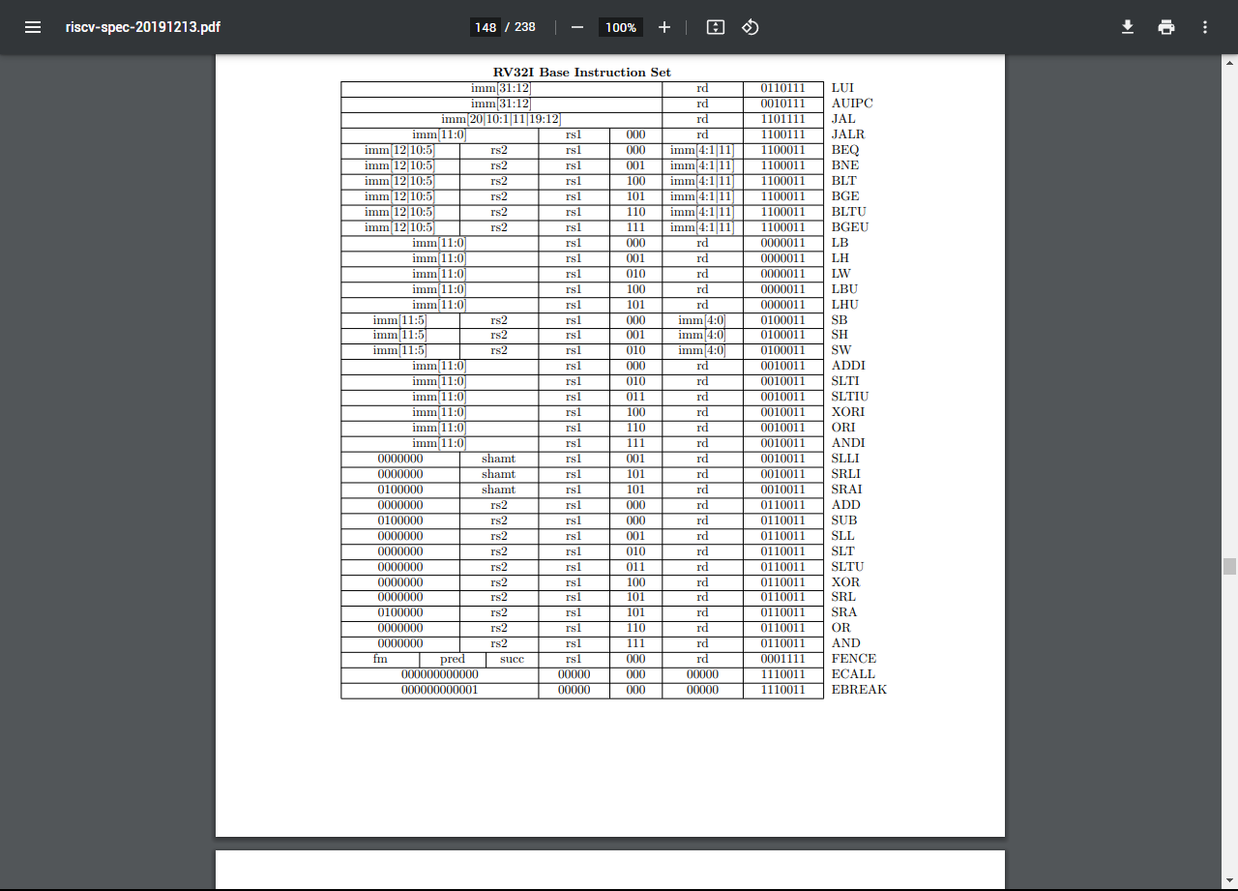
Instruction | Nom | Format | Description | Implementation | Codage |  |  |  |  |  |  |  | Register / register | Immediate | Upper immediate | Store | Branch | Jump
 |  |  |  |  | 31-27 | 26-25 | 24-20 | 19-15 | 14-12 | 11-7 | 6-2 | 1-0
ADD |  | add rd,rs1,rs2 | Adds the registers rs1 and rs2 and stores the result in rd. Arithmetic overflow is ignored and the result is simply the low XLEN bits of the result. | x[rd] = x[rs1] + x[rs2] | 00000 | 00 | rs2 | rs1 | 000 | rd | 01100 | 11
ADDI | add immediate | addi rd,rs1,imm | Adds the sign-extended 12-bit immediate to register rs1. Arithmetic overflow is ignored and the result is simply the low XLEN bits of the result. ADDI rd, rs1, 0 is used to implement the MV rd, rs1 assembler pseudo-instruction. | x[rd] = x[rs1] + sext(immediate) | imm[11:0] |  |  | rs1 | 000 | rd | 00100 | 11
AND |  | and rd,rs1,rs2 | Performs bitwise AND on registers rs1 and rs2 and place the result in rd | x[rd] = x[rs1] & x[rs2] | 00000 | 00 | rs2 | rs1 | 111 | rd | 01100 | 11
ANDI |  | andi rd,rs1,imm | Performs bitwise AND on register rs1 and the sign-extended 12-bit immediate and place the result in rd | x[rd] = x[rs1] & sext(immediate) | imm[11:0] |  |  | rs1 | 111 | rd | 00100 | 11
BEQ | branch equal ? | beq rs1,rs2,offset | Take the branch if registers rs1 and rs2 are equal. | if (x[rs1] == x[rs2]) pc += sext(offset) | offset[12|10:5] |  | rs2 | rs1 | 000 | offset[4:1|11] | 11000 | 11
SLL | shift left logical | sll rd,rs1,rs2 | Performs logical left shift on the value in register rs1 by the shift amount held in the lower 5 bits of register rs2. | x[rd] = x[rs1] << x[rs2] | 00000 | 00 | rs2 | rs1 | 001 | rd | 01100 | 11
SRL | shift right logical | srl rd,rs1,rs2 | Logical right shift on the value in register rs1 by the shift amount held in the lower 5 bits of register rs2 | x[rd] = x[rs1] >>u x[rs2] | 00000 | 00 | rs2 | rs1 | 101 | rd | 01100 | 11
OR |  | or rd,rs1,rs2 | Performs bitwise OR on registers rs1 and rs2 and place the result in rd | x[rd] = x[rs1] | x[rs2] | 00000 | 00 | rs2 | rs1 | 110 | rs | 01100 | 11
ORI |  | ori rd,rs1,imm | Performs bitwise OR on register rs1 and the sign-extended 12-bit immediate and place the result in rd | x[rd] = x[rs1] | sext(immediate) | imm[11:0] |  |  | rs1 | 110 | rd | 00100 | 11
BNE | branch not equal ? | bne rs1,rs2,offset | Take the branch if registers rs1 and rs2 are not equal. | if (x[rs1] != x[rs2]) pc += sext(offset) | offset[12|10:5] |  | rs2 | rs1 | 001 | offset[4:1|11] | 11000 | 11
SLLI | shift left logical immediate | slli rd,rs1,shamt | Performs logical left shift on the value in register rs1 by the shift amount held in the lower 5 bits of the immediate. In RV64, bit-25 is used to shamt[5]. | x[rd] = x[rs1] << shamt | 00000 | 0X | shamt | rs1 | 001 | rd | 00100 | 11
SRLI | shift right logical immediate | srli rd,rs1,shamt | Performs logical right shift on the value in register rs1 by the shift amount held in the lower 5 bits of the immediate. In RV64, bit-25 is used to shamt[5]. | x[rd] = x[rs1] >>u shamt | 00000 | 0X | shamt | rs1 | 101 | rd | 00100 | 11
XOR |  | xor rd,rs1,rs2 | Performs bitwise XOR on registers rs1 and rs2 and place the result in rd | x[rd] = x[rs1] ^ x[rs2] | 00000 | 00 | rs2 | rs1 | 100 | rd | 01100 | 11
XORI |  | xori rd,rs1,imm | Performs bitwise XOR on register rs1 and the sign-extended 12-bit immediate and place the result in rd Note, “XORI rd, rs1, -1” performs a bitwise logical inversion of register rs1(assembler pseudo-instruction NOT rd, rs) | x[rd] = x[rs1] ^ sext(immediate) | imm[11:0] |  |  | rs1 | 100 | rd | 00100 | 11
BGE | branch greater or equal | bge rs1,rs2,offset | Take the branch if registers rs1 is greater than or equal to rs2, using signed comparison. | if (x[rs1] >=s x[rs2]) pc += sext(offset) | offset[12|10:5] |  | rs2 | rs1 | 101 | offset[4:1|11] | 11000 | 11
SLT |  | slt rd,rs1,rs2 | Place the value 1 in register rd if register rs1 is less than register rs2 when both are treated as signed numbers, else 0 is written to rd. | x[rd] = x[rs1] <s x[rs2] | 00000 | 00 | rs2 | rs1 | 010 | rd | 01100 | 11
SLTU |  | sltu rd,rs1,rs2 | Place the value 1 in register rd if register rs1 is less than register rs2 when both are treated as unsigned numbers, else 0 is written to rd. | x[rd] = x[rs1] <u x[rs2] | 00000 | 00 | rs2 | rs1 | 011 | rd | 01100 | 11
SRA | shift right arithmetical immediate | sra rd,rs1,rs2 | Performs arithmetic right shift on the value in register rs1 by the shift amount held in the lower 5 bits of register rs2 | x[rd] = x[rs1] >>s x[rs2] | 01000 | 00 | rs2 | rs1 | 101 | rd | 01100 | 11
LUI | load upper immediate | lui rd,imm | Build 32-bit constants and uses the U-type format. LUI places the U-immediate value in the top 20 bits of the destination register rd, filling in the lowest 12 bits with zeros. | x[rd] = sext(immediate[31:12] << 12) | imm[31:12] |  |  |  |  | rd | 01101 | 11
BGEU | branch greater or equal unsigned | bgeu rs1,rs2,offset | Take the branch if registers rs1 is greater than or equal to rs2, using unsigned comparison. | if (x[rs1] >=u x[rs2]) pc += sext(offset) | offset[12|10:5] |  | rs2 | rs1 | 111 | offset[4:1|11] | 11000 | 11
SLTI | set less than immediate | slti rd,rs1,imm | Place the value 1 in register rd if register rs1 is less than the signextended immediate when both are treated as signed numbers, else 0 is written to rd. | x[rd] = x[rs1] <s sext(immediate) | imm[11:0] |  |  | rs1 | 010 | rd | 00100 | 11
SLTIU | set less than immediate unsigned | sltiu rd,rs1,imm | Place the value 1 in register rd if register rs1 is less than the immediate when both are treated as unsigned numbers, else 0 is written to rd. | x[rd] = x[rs1] <u sext(immediate) | imm[11:0] |  |  | rs1 | 011 | rd | 00100 | 11
SRAI | shift right arithmetical immediate | srai rd,rs1,shamt | Performs arithmetic right shift on the value in register rs1 by the shift amount held in the lower 5 bits of the immediate. In RV64, bit-25 is used to shamt[5]. | x[rd] = x[rs1] >>s shamt | 01000 | 0X | shamt | rs1 | 101 | rd | 00100 | 11
AUIPC | add upper immediate to pc | auipc rd,imm | Build pc-relative addresses and uses the U-type format. AUIPC forms a 32-bit offset from the 20-bit U-immediate, filling in the lowest 12 bits with zeros, adds this offset to the pc, then places the result in register rd. | x[rd] = pc + sext(immediate[31:12] << 12) | imm[31:12] |  |  |  |  | rd | 00101 | 11
BLT | branch less than ? | blt rs1,rs2,offset | Take the branch if registers rs1 is less than rs2, using signed comparison. | if (x[rs1] <s x[rs2]) pc += sext(offset) | offset[12|10:5] |  | rs2 | rs1 | 100 | offset[4:1|11] | 11000 | 11
LB | load byte ? | lb rd,offset(rs1) | Loads a 8-bit value from memory and sign-extends this to XLEN bits before storing it in register rd. | x[rd] = sext(M[x[rs1] + sext(offset)][7:0]) | offset[11:0] |  |  | rs1 | 000 | rd | 00000 | 11
LH | load hex ? | lh rd,offset(rs1) | Loads a 16-bit value from memory and sign-extends this to XLEN bits before storing it in register rd. | x[rd] = sext(M[x[rs1] + sext(offset)][15:0]) | offset[11:0] |  |  | rs1 | 001 | rd | 00000 | 11
LW | load word ? | lw rd,offset(rs1) | Loads a 32-bit value from memory and sign-extends this to XLEN bits before storing it in register rd. | x[rd] = sext(M[x[rs1] + sext(offset)][31:0]) | offset[11:0] |  |  | rs1 | 010 | rd | 00000 | 11
SB | store byte ? | sb rs2,offset(rs1) | Store 8-bit, values from the low bits of register rs2 to memory. | M[x[rs1] + sext(offset)] = x[rs2][7:0] | offset[11:5] |  | rs2 | rs1 | 000 | offset[4:0] | 01000 | 11
BLTU | branch less than unsigned | bltu rs1,rs2,offset | Take the branch if registers rs1 is less than rs2, using unsigned comparison | if (x[rs1] <u x[rs2]) pc += sext(offset) | offset[12|10:5] |  | rs2 | rs1 | 110 | offset[4:1|11] | 11000 | 11
LBU | load byte unsigned ? | lbu rd,offset(rs1) | Loads a 8-bit value from memory and zero-extends this to XLEN bits before storing it in register rd. | x[rd] = M[x[rs1] + sext(offset)][7:0] | offset[11:0] |  |  | rs1 | 100 | rd | 00000 | 11
LHU | load hex unsigned ? | lhu rd,offset(rs1) | Loads a 16-bit value from memory and zero-extends this to XLEN bits before storing it in register rd. | x[rd] = M[x[rs1] + sext(offset)][15:0] | offset[11:0] |  |  | rs1 | 101 | rd | 00000 | 11
SW | store word ? | sw rs2,offset(rs1) | Store 32-bit, values from the low bits of register rs2 to memory. | M[x[rs1] + sext(offset)] = x[rs2][31:0] | offset[11:5] |  | rs2 | rs1 | 010 | offset[4:0] | 01000 | 11
SH | store hex ? | sh rs2,offset(rs1) | Store 16-bit, values from the low bits of register rs2 to memory. | M[x[rs1] + sext(offset)] = x[rs2][15:0] | offset[11:5] |  | rs2 | rs1 | 001 | offset[4:0] | 01000 | 11
JAL | jump and link | jal rd,offset | Jump to address and place return address in rd. | x[rd] = pc+4; pc += sext(offset) | offset[20|10:1|11 |  |  | 19:12] |  | rd | 11011 | 11
CSRRW | atomic read/write CSR. | csrrw rd,offset,rs1 | Atomically swaps values in the CSRs and integer registers. CSRRW reads the old value of the CSR, zero-extends the value to XLEN bits, then writes it to integer register rd. The initial value in rs1 is written to the CSR. If rd=x0, then the instruction shall not read the CSR and shall not cause any of the side effects that might occur on a CSR read. | t = CSRs[csr]; CSRs[csr] = x[rs1]; x[rd] = t | csr |  |  | rs1 | 001 | rd | 11100 | 11
CSRRS | atomic read and set bits in CSR. | csrrs rd,offset,rs1 | Reads the value of the CSR, zero-extends the value to XLEN bits, and writes it to integer register rd. The initial value in integer register rs1 is treated as a bit mask that specifies bit positions to be set in the CSR. Any bit that is high in rs1 will cause the corresponding bit to be set in the CSR, if that CSR bit is writable. Other bits in the CSR are unaffected (though CSRs might have side effects when written). | t = CSRs[csr]; CSRs[csr] = t | x[rs1]; x[rd] = t | csr |  |  | rs1 | 010 | rd | 11100 | 11
CSRRRC | atomic read and clear bits in CSR | csrrc rd,offset,rs1 | Reads the value of the CSR, zero-extends the value to XLEN bits, and writes it to integer register rd. The initial value in integer register rs1 is treated as a bit mask that specifies bit positions to be cleared in the CSR. Any bit that is high in rs1 will cause the corresponding bit to be cleared in the CSR, if that CSR bit is writable. Other bits in the CSR are unaffected. | t = CSRs[csr]; CSRs[csr] = t &∼x[rs1]; x[rd] = t | csr |  |  | rs1 | 011 | rd | 11100 | 11
ECALL | Non utilisé
JALR | jump and link register | jalr rd,rs1,offset | Jump to address and place return address in rd. | t =pc+4; pc=(x[rs1]+sext(offset))&∼1; x[rd]=t | offset[11:0] |  |  | rs1 | 000 | rd | 11001 | 11
CSRRWI | A intégrer après ? | csrrwi rd,offset,uimm | Update the CSR using an XLEN-bit value obtained by zero-extending a 5-bit unsigned immediate (uimm[4:0]) field encoded in the rs1 field. | x[rd] = CSRs[csr]; CSRs[csr] = zimm | csr |  |  | uimm | 101 | rd | 11100 | 11
CSRRSI |  | csrrsi rd,offset,uimm | Set CSR bit using an XLEN-bit value obtained by zero-extending a 5-bit unsigned immediate (uimm[4:0]) field encoded in the rs1 field. | t = CSRs[csr]; CSRs[csr] = t | zimm; x[rd] = t | csr |  |  | uimm | 110 | rd | 11100 | 11
CSRRCI |  | csrrci rd,offset,uimm | Clear CSR bit using an XLEN-bit value obtained by zero-extending a 5-bit unsigned immediate (uimm[4:0]) field encoded in the rs1 field. | t = CSRs[csr]; CSRs[csr] = t &∼zimm; x[rd] = t | csr |  |  | rs1 | 111 | rd | 11100 | 11
EBREAK | Non utilisé
SUB |  | sub rd,rs1,rs2 | Subs the register rs2 from rs1 and stores the result in rd. Arithmetic overflow is ignored and the result is simply the low XLEN bits of the result. | x[rd] = x[rs1] - x[rs2] | 10000 | 00 | rs2 | rs1 | 000 | rd | 01100 | 11
FENCE | Non utilisé ? | fence pred, succ | Used to order device I/O and memory accesses as viewed by other RISC-V harts and external devices or coprocessors. Any combination of device input (I), device output (O), memory reads (R), and memory writes (W) may be ordered with respect to any combination of the same. Informally, no other RISC-V hart or external device can observe any operation in the successor set following a FENCE before any operation in the predecessor set preceding the FENCE. | Fence(pred, succ) | 0000 | pred | succ | 00000 | 000 | 00000 | 00011 | 11
FENCE.I | Non utilisé ? | fence.i | Provides explicit synchronization between writes to instruction memory and instruction fetches on the same hart. | Fence(Store, Fetch) | 00000 | 00 | 00000 | 00000 | 001 | 00000 | 00011 | 11

